Sheet1
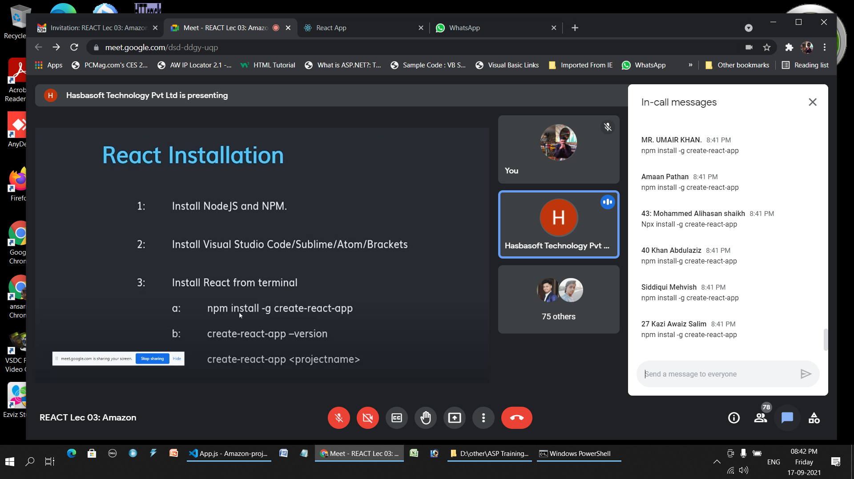

npm install @mui/material

npm audit fix

npm install @mui/icons-material

npm install @emotion/react

npm install @emotion/styled

npm install @mui/material
npm install @mui/icons-material
npm install @emotion/react
npm install @emotion/styled

